08-01 R1
CHECKER STOCK REPORT
DATE ___________08/01/2025___________
ROUTE 1 | CB | CIB | CC | CIC | C10C | HTA | PAMB | PAMC | KRB | KRC | CBC | CBB | SDB | SDC | CNB | CLC | SMZB | SMLB | SMLC | FBA
 |  | 2 | 1 | 1 |  | 13/18b |  |  |  |  |  |  |  |  |  | 1 |  | 2/12b | 1 | 4
1ST LOAD
2ND LOAD

FGS RETURNED |  | 2 | 0 | 1 |  | 15/7b |  |  |  |  |  |  |  |  |  | 0 |  | 2/12b | 1 | 1
TOTAL SALES |  | 0 | 1 | 0 |  | 3/11b |  |  |  |  |  |  |  |  |  | 1 |  | 0 | 0 | 3

 | FBL | FBLY | FBAC | FBLC | FBLYC | PP | PPG | PL | PPC | RHS | RHP | RHL | RHC | RH500C | RHSL | SMFB | SMFC | GE320 | GEK | HSC
1ST LOAD |  |  |  |  | 1 | 4 |  | 40 |  | 16 | 10 | 270 | 1 |  | 20
2ND LOAD

FGS RETURNED |  |  |  |  | 1 | 2 |  | 30 |  | 1 | 0 | 176 | 0 |  | 18
TOTAL SALES |  |  |  |  | 0 | 2 |  | 10 |  | 15 | 10 | 94 | 1 |  | 2

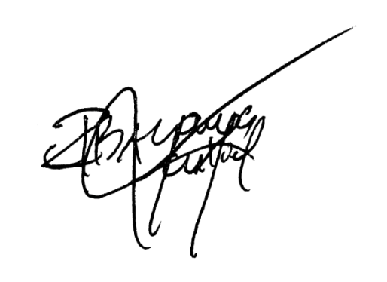
EMPTIES | PP |  |  | RHL/PL |  |  | RH5 |  |  | FBA/SML/RHS |  |  | MHT |  |  | REMARKS
 | COMPLETE | SHELL | BOTTLE | COMPLETE | SHELL | BOTTLE | COMPLETE | SHELL | BOTTLE | COMPLETE | SHELL | BOTTLE | COMPLETE | SHELL | BOTTLE
RETURNED | 1 |  | 1 | 156 | 8 | 4 | 11 |  | 2 | 1 |  | 14 | 2 | 1 | 20

TOTAL | 1 |  | 1 | 156 | 8 | 4 | 11 |  | 2 | 1 |  | 14 | 2 | 1 | 20 | SIGNATURE

08-01 R2
CHECKER STOCK REPORT
DATE ___________08/01/2025___________
ROUTE 2 | CB | CIB | CC | CIC | C10C | HTA | PAMB | PAMC | KRB | KRC | CBC | CBB | SDB | SDC | CNB | CLC | SMZB | SMLB | SMLC | FBA
 | 12b | 6 |  |  |  | 17/20b |  |  |  | 1 |  |  |  |  |  | 1 |  | 1/12b | 1 | 2/12b
1ST LOAD
2ND LOAD

FGS RETURNED | 12b | 6 |  |  |  | 10/10b |  |  |  | 1 |  |  |  |  |  | 1 |  | 1/12b | 1 | 2/12b
TOTAL SALES | 0 | 0 |  |  |  | 7/10b |  |  |  | 0 |  |  |  |  |  | 0 |  | 0 | 0 | 0

 | FBL | FBLY | FBAC | FBLC | FBLYC | PP | PPG | PL | PPC | RHS | RHP | RHL | RHC | RH500C | RHSL | SMFB | SMFC | GE320 | GEK | HSC
1ST LOAD |  |  |  |  |  | 3 |  | 53 | 1 | 2 | 15 | 280 | 1 |  | 17 |  |  |  | 2
2ND LOAD

 |  |  |  |  |  | 3
FGS RETURNED |  |  |  |  |  |  |  | 42 | 1 | 2 | 12 | 146 | 1 |  | 12 |  |  |  | 2
TOTAL SALES |  |  |  |  |  | 0 |  | 11 | 0 | 0 | 3 | 134 | 0 |  | 5 |  |  |  | 0

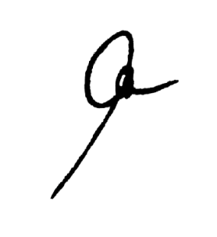
EMPTIES | PP |  |  | RHL/PL |  |  | RH5 |  |  | FBA/SML/RHS |  |  | MHT |  |  | REMARKS
 | COMPLETE | SHELL | BOTTLE | COMPLETE | SHELL | BOTTLE | COMPLETE | SHELL | BOTTLE | COMPLETE | SHELL | BOTTLE | COMPLETE | SHELL | BOTTLE
RETURNED |  |  |  | 149 | 5 | 3 | 3 |  | 3 |  |  |  | 3 | 4 | 22

TOTAL |  |  |  | 149 | 5 | 3 | 3 |  | 3 |  |  |  | 3 | 4 | 22 | SIGNATURE

